COVER PAGE

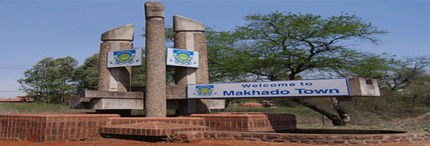
MAKHADO LOCAL MUNICIPALITY
ADJUSTED SERVICE DELIVERY AND BUDGET IMPLEMENTATION PLAN
FOR
2016/2017 FINANCIAL YEAR
THIRD QUARTER PERFORMANCE REPORT

VIS MISS STRA MAP
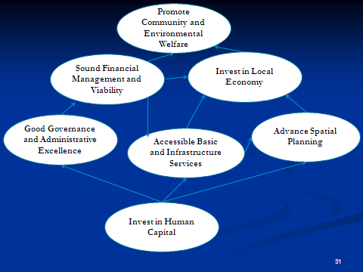

2. VISION, MISSION AND STRATEGIC MAP
VISION, MISSION AND STRATEGIC MAP The Vision of Makhado Local Municipality is: “A dynamic hub for socio – economic development by 2025" The Mission of Makhado Local Municipality is: To ensure effective utilization of economic resources to address socio- economic imperatives through mining, tourism and agriculture Makhado Muncipality has identified 8 Strategic Objectives which are contained in the Intergrated Development Plan. All municipal programmes will be aligned to the objectives outlined in the figure below:

